CutList
Instructions: Enter the # of tool stalls wanted and the stall gap width (if different than 1 1/2").

Inputs
# of Stalls | 4 |  | default is 5
Stall Gap Width | 1.5 | inches | default is 1 1/2
Length of 1x10 needed: |  | 89.125 | inches
 |  | 8 | feet
Cut List
(all dimensions in inches)
Part | Qty | Thickness | Width | Length
Side | 2 | 0.75 | 9.25 | 13.75
Back | 1 | 0.75 | 9.25 | 14.25
Top Shelf | 1 | 0.75 | 8.5 | 14.25
Lower Shelf | 1 | 0.75 | 9.25 | 14.25
Stall Divider | 3 | 0.75 | 9.25 | 3
Stall Support | 3 | 0.75 | 9.25 | 2.25
Side Support | 2 | 0.75 | 9.25 | 0.75
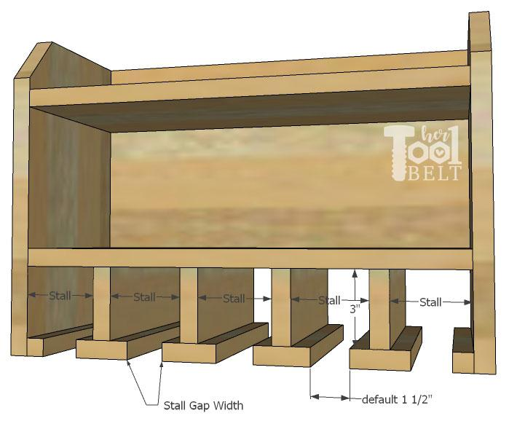

Cut Diagram (Sample cut diagram (for 4 stalls))

Step 1 - Cut Board
Cut the 1x10 according to the cut list.

(I used a miter saw to make the cuts.)
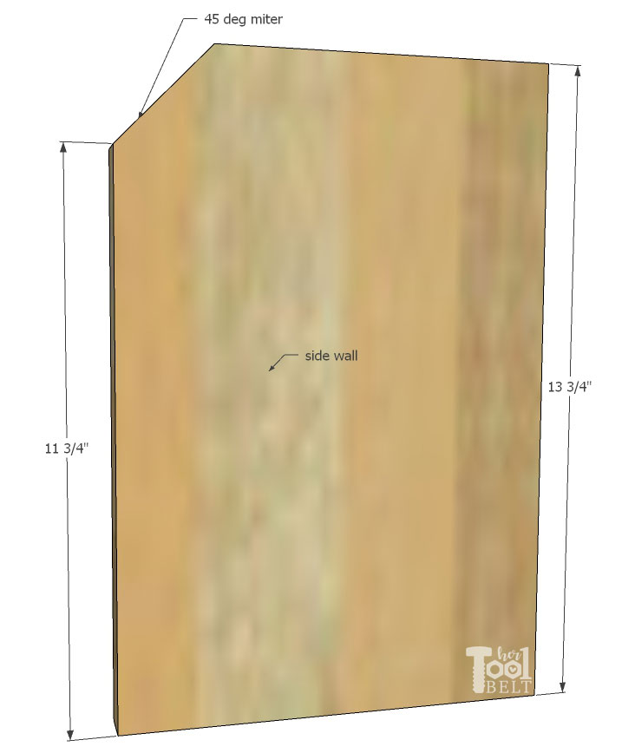
On the top shelf, cut the width down to 8 1/2".
On the side pieces, cut a dog ear (45 deg miter)
on the top front corner at 11 3/4" up from the
bottom.

Drill pilot holes in the 2 sides, back, lower shelf, stall supports and side supports. If you want your screw
heads flush with the surface, drill countersinks. See diagram below. Make sure the side pieces are
mirror images of each other.
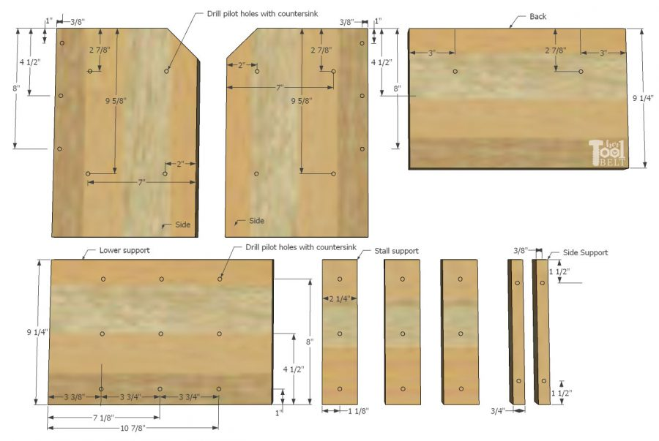

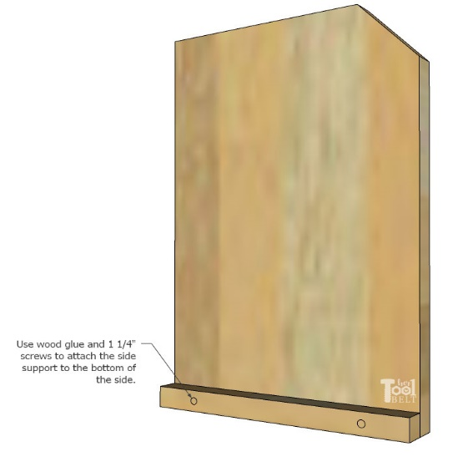
Step 2 - Assembly
Attach the 3/4" x 3/4" side support piece
to the inside face of the side piece, make
the bottoms flush.
Secure with wood glue and 1 1/4" screws.
Repeat for both sides

Dividers - Mark the centers of the stall supports
(1 1/8") and the centers of the dividers (3/8").
1. Line up the center of the dividers with the center
of the stall supports.
2. Use wood glue and 1 1/4" screws to secure together.
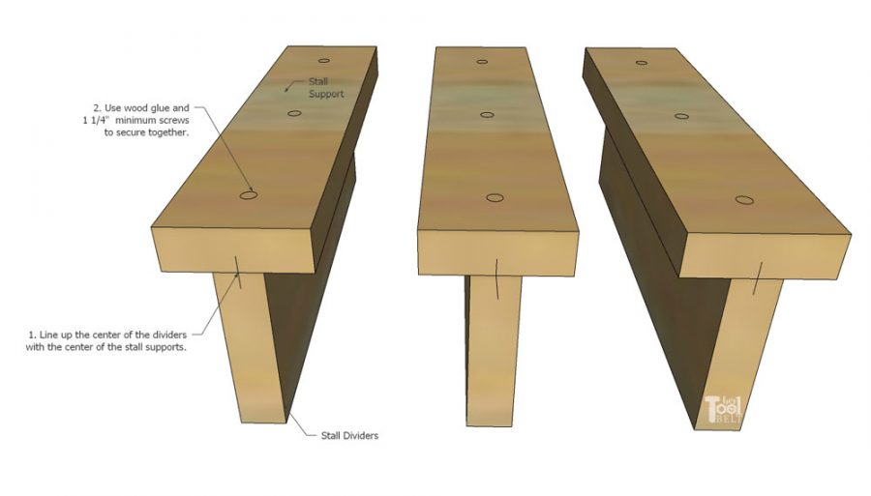

Mark the centers on the other of the dividers (3/8") and mark the center lines of the pilot holes
(3 3/8", 3 3/4", 3 3/4", etc).
1. Line up the divider centers with pilot hole center lines on the lower shelf.
2. Use wood glue and 1 1/4" screws to attach dividers to lower shelf.
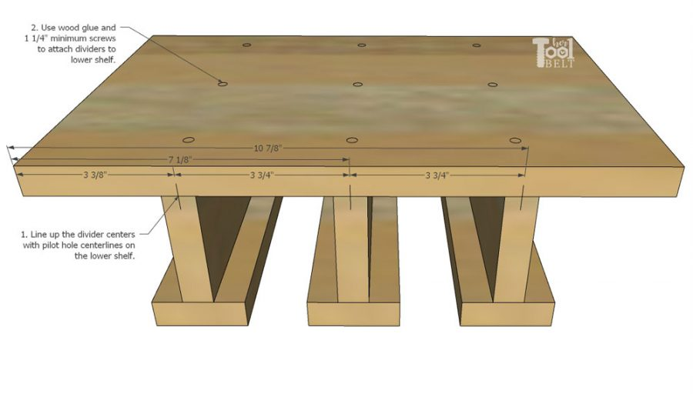

Shelf - On the back piece, mark 2 1/2" down from the top. Attach the top shelf to the back with wood
glue and 1 1/4" screws.
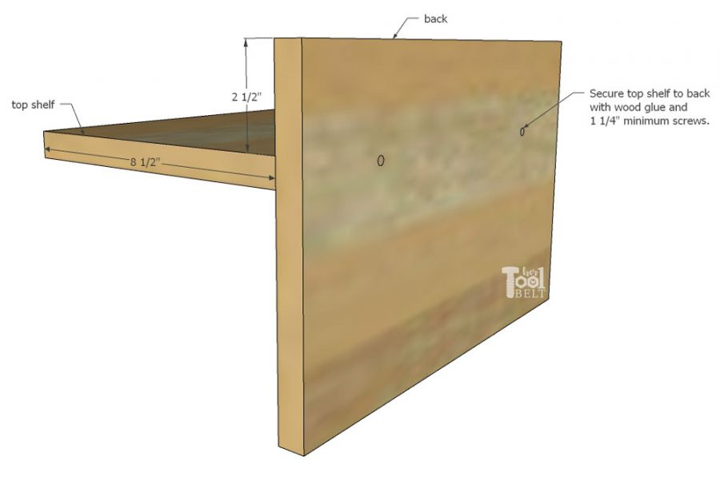

All Together - On the side pieces, mark 2 1/2" down and 9 1/4" down from the top. Use wood glue and
1 1/4" screws to attach the side to the back, top shelf and lower shelf. Repeat for the other side.

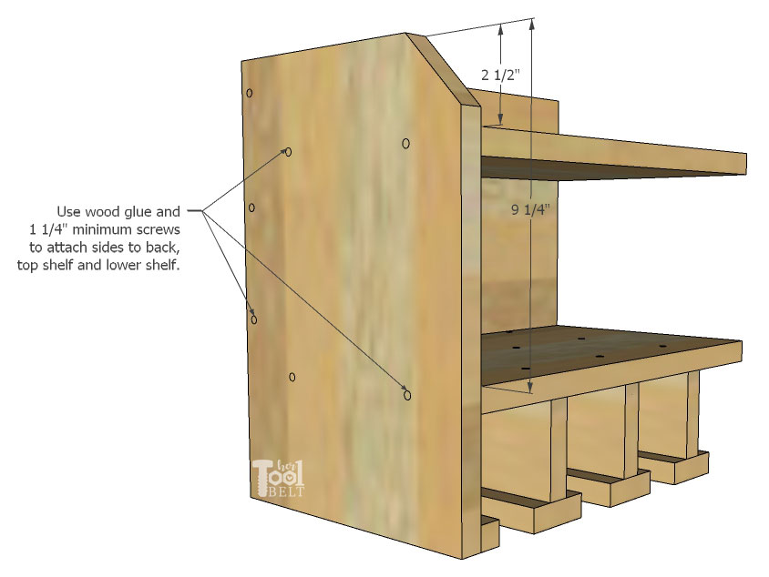

If you want to install a power strip to charge batteries, you may want to drill a hole near the top on the
side to run the cord. Drill the hole wherever convenient for your setup.
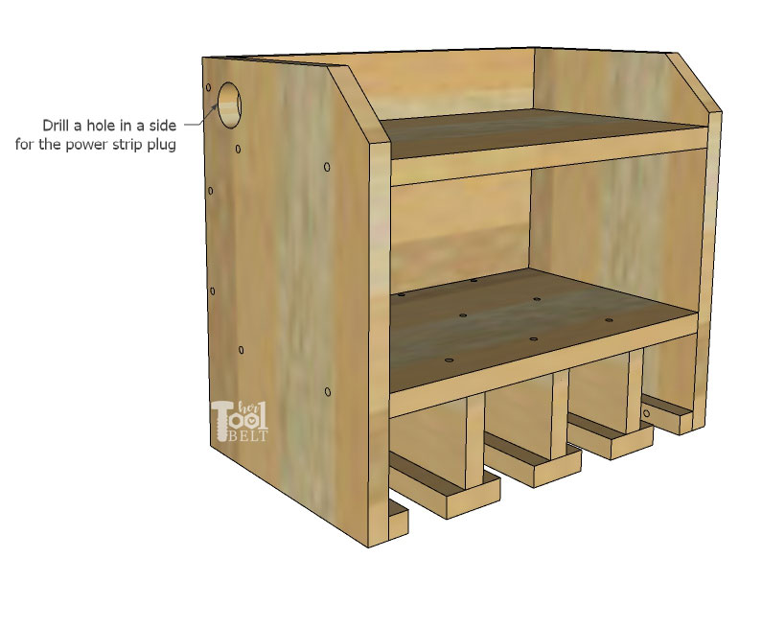

Attach the power strip to the wood where convenient. I measure where the keyholes are on the back of
the power strip and put small screws in the back piece where the keyholes will go. Then run the plug
through the hole and install the power strip on the small screws.
Step 3 - Finish
Sand the custom drill storage station smooth. Stain the wood as desired. Then when the stain dries add
a top coat as desired.
To mount the custom drill storage and charging station to the wall, drill holes through the back piece into
studs in the wall. If studs are not available, you can use heavy duty drywall anchors.

